Sheet1
SKU | UPC | Product Name | Color | Product Main Image | Qty | Price | Retail Price | Product Link | Product Package Image | Carton Dimension
GA22577 | 6959826822577 | Glow Anniversary Makeup Fixing Spary All-Day Wear, Long Lasting Up to 16+h Makeup Setting Spray | Brown | 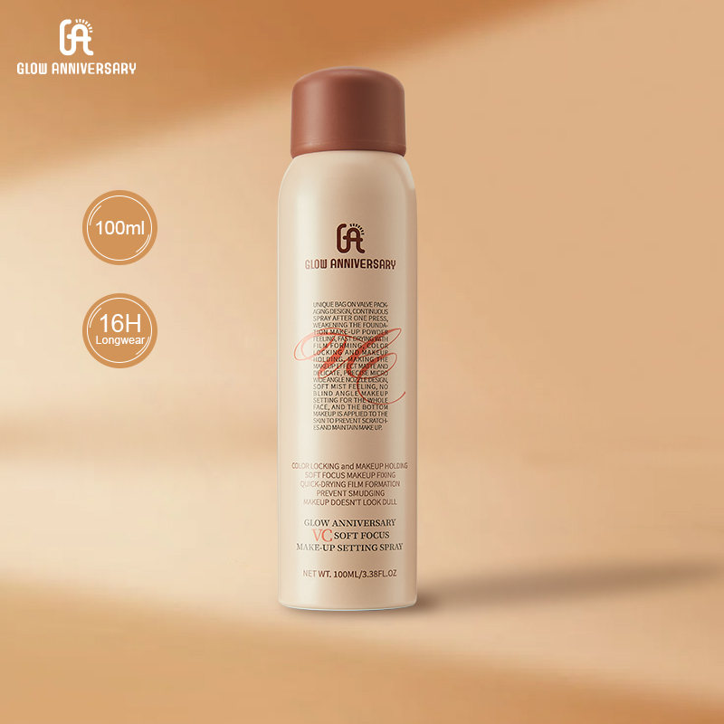 | 3475 | $3.55 | $39.80 | https://www.tiktok.com/view/product/1730959029840154851? | 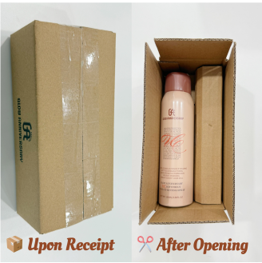 | 15" x 14.5" x 8"
GA22591 | 6959826822591 | Glow Anniversary Professional Shaper Hairspray Lightweight Control for 24 Hours of Medium to Strong Hold | Brown | 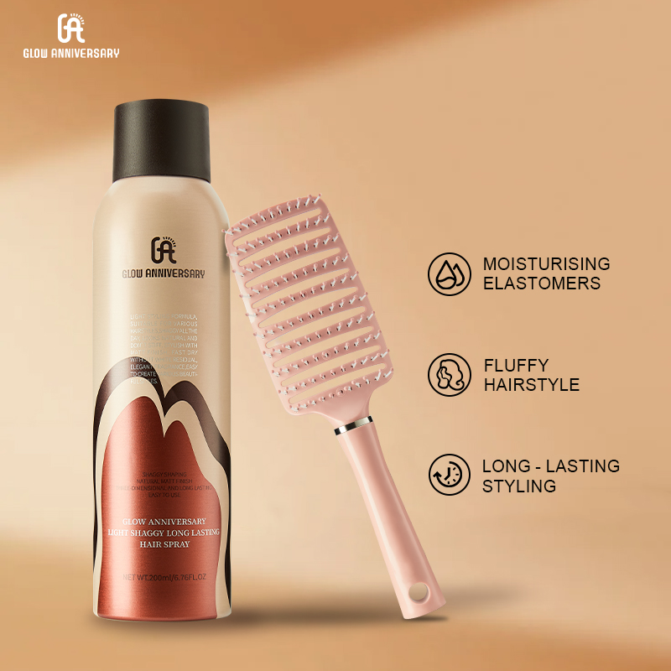 | 7536 | $4.55 | $39.80 | https://www.tiktok.com/view/product/1730958830202097891? | 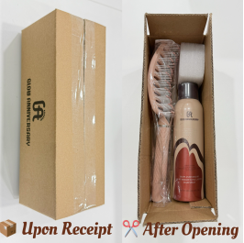 | 21" x 14.5 x 10.5"
GA22584 | 6959826822584 | Glow Anniversary Instant Fresh Volumzing Hair dry shampoo | Brown | 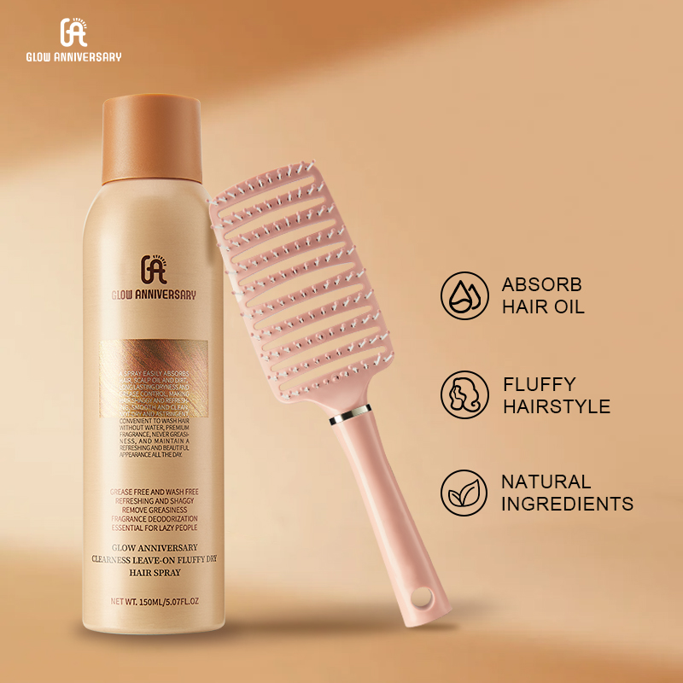 | 7453 | $4.55 | $39.80 | https://www.tiktok.com/view/product/1730698454153203939? | 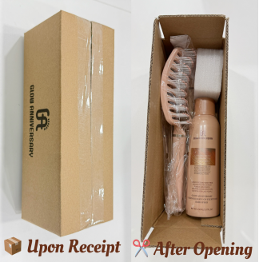 | 21" x 14.5 x 10.5"
 |  |  |  |  | 18464

